AOM
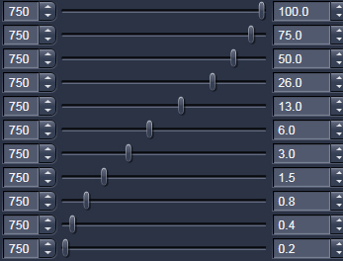
slider position | mW at sample | 10X objective | mW with 690+ filter only | slider position | mW at sample with 2 80/20 splitters | mW with 690+ filter only
0.2 | 0.077 | 2 80/20 mirrors stacked | 0.257 | 0.2 | 0.077 | 0.257
0.3 | 0.103 | zoom 14X | 0.341 | 0.3 | 0.103 | 0.341
0.5 | 0.155 | 750nm | 0.524 | 0.5 | 0.155 | 0.524
1 | 0.266 | live mode | 1.37 | 1 | 0.266 | 1.37
2 | 0.614 |  | 2.53 | 2 | 0.614 | 2.53
3 | 0.86 |  | 3.84 | 3 | 0.86 | 3.84
6 | 1.63 |  |  | 20 | 4.9 | 25.5
7 | 1.9 |  |  | 50 | 13 | 74
10 | 2.7 |  |  | 75 | 18.1 | 177
14 | 3.6 |  |  | 100 | 22.5 | 225
20 | 4.9 |  | 25.5
24 | 5.93
30 | 7.35
50 | 13 |  | 74
60 | 14.9
75 | 18.1 |  | 177
100 | 22.5 |  | 225

This is to check AOM settings for MaiTai laser.

